Minutes
MINUTES MEETING
MINUTES MEETING

 |  |  |  |  |  |  |  |  |  |  |  |  |  |  |  | APPROVED |  |  | CHECKED |  |  | REPORTER
 |  |  |  |  |  |  |  |  |  |  |  |  |  |  |  |  |  |  |  |  |  | FTH) Nadechpong

TITLE |  |  |  |  |  | : | UR: Get Requirement (Red Plate)
DATE & TIME |  |  |  |  |  | : | 04/23/2019 08:30 - 17:00 |  |  |  |  |  | PLACE |  | : | TMT HO2, 2 Floor Dojo Room
ATTENDANCE |  |  |  |  |  | : | User |  |  |  | IS User |  |  |  |  |  | FTH
 |  |  |  |  |  |  | - Ms. Nantapan |  |  |  | - Ms.Nuchprapa |  |  |  |  |  | - Ms.Ploen
 |  |  |  |  |  |  | - Mr. Tirapoom |  |  |  | - Mr.Supachai |  |  |  |  |  | - Mr.Nadechpong
 |  |  |  |  |  |  |  |  |  |  |  |  |  |  |  |  | - Mr.Thanapon
 |  |  |  |  |  |  |  |  |  |  |  |  |  |  |  |  | - Mr.Sira

AGENDA |  |  |  | : | UR: Gathering Requirement for perform mock up screen (Red Plate)
 | 1. FTH present mock up screen for IS UR document.
 | 2. IS present 5 scenario operation.
 | 3. Gathering requirement with IS and User.

DISTRIBUTED DOCUMENTS :
 | 1. Scenario presentation with adjust follow as new requirement (Only Scenario#2).

CONCLUSION
NO. | CONTENTS |  |  |  |  |  |  |  |  |  |  |  |  |  |  |  |  |  |  | IN CHARGE |  |  | DUE DATE
1 | FTH explain mock screen from UR document both of Wireframe and Responsive to IS. User want the screen
 | that labels are on top of component.

2 | IS explain scenarios opearion presentation.

3 | Gathering requirement with IS and User as items below:

 |  | Interface Vehical information from textfile. Below is example data and its status

 |  | VIN No |  |  | Sales DLR |  |  |  | Sales BRC | Sales DT | PROD DT | Matched |  | Customer |  |  | Operation Code
 |  |  |  |  | TMT |  |  |  |  |  | 25/3/2019 |  |  |  |  |  | 03 | Unassign (Buy Off)
 |  |  |  |  | 16212 |  |  |  |  |  | 25/3/2019 |  |  |  |  |  | 04 | Final Assign
 |  |  |  |  | 16212 |  |  |  | MN |  | 25/3/2019 |  |  |  |  |  | 51 | Dealer Arrival
 |  |  |  |  | 16212 |  |  |  | MN |  | 25/3/2019 | 1/4/19 |  | C13064903 |  |  | 61 | Matched
 |  |  |  |  | 16212 |  |  |  | MN | 01-04-2019 | 25/3/2019 | 1/4/19 |  | C13064904 |  |  | 69 | Delivery
 |  |  |  |  | 16212 |  |  |  | MN | 05-04-2019 | 25/3/2019 | 1/4/19 |  | C13064905 |  |  | 69 | Revise Retail Sales

 |  | Most DDMS status can directly retrieve from Operation code except "Revise Retail Sales". System need
 |  | to check that "VIN No" change sales date or customer from previous textfile

 |  | Refer to UR 3_1_1: Search Screen

 |  |  | ▪ Change VIN digits from 17 to 20.
 |  |  | ▪ Cancel criteria "DDMS Period of time".
 |  |  | ▪ DDMS Status will interface from text file and will not shown Unassign data
 |  |  | ▪ Add fields: Firstname, Lastname, Company name, Delivery date from/to
 |  |  | ▪ Change "Insurance status" to "Document Status"
 |  |  | ▪ "Document Status" still waiting for user confirmation |  |  |  |  |  |  |  |  |  |  |  |  |  |  |  |  |  | TMT
 |  |  | ▪ Change criteria Key-in to Create Date From and Create Date To, also change from mandatory to optional.
 |  |  | ▪ Adjust screen layout (Refer to Sheet "Search").
 |  |  | ▪ Add button "Export" for export detail search result data. Detail of export file still need to be discuss. |  |  |  |  |  |  |  |  |  |  |  |  |  |  |  |  |  | TDEM
 |  |  | ▪ Search result will be 10 records / page.
 |  |  | ▪ When Dealer search data, system only shown vehicel that belong to that dealer. Only exception
 |  |  |  | if dealer enter full VIN No, system will show information if exist in system
 |  |  | ▪ On search result show information as below:
 |  |  |  |  | - Document Status
 |  |  |  |  | - Model
 |  |  |  |  | - VIN
 |  |  |  |  | - Customer Name: Personal customer show "Firstname Lastname", Corporate customer show "Company Name"
 |  |  |  |  | - Insurance Type
 |  |  |  |  | - Premium Type
 |  |  |  |  | - Insurance Company
 |  |  |  |  | - Insurance Class
 |  |  |  |  | - Insurance Premium
 |  |  |  |  | - Activate Date
 |  |  |  |  | - DDMS Status
 |  |  |  | Freeze field after customer name
 |  |  | ▪ Sorting order still pending |  |  |  |  |  |  |  |  |  |  |  |  |  |  |  |  |  | TMT
 |  |  | ▪ User still discuss that should the "New Insurance Search" screen and "Edit Insurance Search" screen |  |  |  |  |  |  |  |  |  |  |  |  |  |  |  |  |  | TMT
 |  |  |  | will be the same page or separate page

 |  | Refer UR 3_1_2: New Car Detail Screen

 |  |  | ▪ User can delete draft document
 |  |  | ▪ When submit data, system will generate document number use following format:
 |  |  |  |  |  |  |  | INYYXXXXX : |  | IN - Prefix
 |  |  |  |  |  |  |  |  |  | YY - year
 |  |  |  |  |  |  |  |  |  | XXXXX - running number per dealer
 |  |  | ▪ Adjust screen layout and add more criteria (Refer to Sheet "New Car").
 |  |  |  |  | 1.Vehicle Information
 |  |  |  |  |  | - Add "Brand" data before "VIN No"
 |  |  |  |  |  | - Dealer can sell Insurance for other Brand which user must enter vehicle manually

 |  |  |  |  | 2.Finance Information
 |  |  |  |  |  | - Type of purchase is Cash or Finance.

 |  |  |  |  | 3.Insurance Information
 |  |  |  |  |  | - Add Radio button to select with type of insurance customer want
 |  |  |  |  |  |  |  | o Insurance
 |  |  |  |  |  |  |  | o Insurance & Compulsory Insurance
 |  |  |  |  |  |  |  | o Compulsory Insurance (พรบ)
 |  |  |  |  |  |  | Remark: Choose from radio button have effect of mandatory criteria.
 |  |  |  |  |  | - Criteria "Company" request to drop-down by company sequence and use underline below 10 company.
 |  |  |  |  |  | - System will retrieve Premium and Coverage form Insurance master according to selected insurance.
 |  |  |  |  |  | User can change Premium and Coverage, system will not validate.
 |  |  |  |  |  | - Compulsory Insurance must be enter manually
 |  |  |  |  |  | - User will enter Activate date, then system calculate "To date" according to coverage year
 |  |  |  |  |  | "To date" is read only field. If "Activate date" is '20/2/2019', "To date" will be '20/2/2020'
 |  |  |  |  |  | If "Activate date" is '29/2/2019', "To date" will be '28/2/2020'.

 |  |  |  |  | 4. Customer Information
 |  |  |  |  |  | - User must select Personal or Company first, then field will change accordingly
 |  |  |  |  |  | - Policy Delivery defualt as "Dealer"
 |  |  |  |  |  | - Personal Customer
 |  |  |  |  |  |  |  | - If enter ID Card or Mobile phone and click on button, system will search for existing
 |  |  |  |  |  |  |  | customer data. If exist in system, system will default customer information
 |  |  |  |  |  |  |  | - ID Card is unique key for customer data
 |  |  |  |  |  |  |  | - Add Delivery address
 |  |  |  |  |  | - Company Customer
 |  |  |  |  |  |  |  | - If enter Tax No or Company phone and click on button, system will search for existing
 |  |  |  |  |  |  |  | customer data. If exist in system, system will default customer information
 |  |  |  |  |  |  |  | - Tax No is unique key for company customer data
 |  |  |  |  |  |  |  | - Add Delivery address
 |  |  |  |  |  | - When save this record, system will update customer master data
 |  |  |  |  |  | - System must keep customer name and address in insurance transaction
 |  |  |  |  | 5. Additional Information (when view record)
 |  |  |  |  |  | - Add Document information before Vechical Information
 |  |  |  |  |  |  |  | - Document No
 |  |  |  |  |  |  |  | - Document Status
 |  |  |  |  |  | - Add Create/Update data information after Salesman' Information
 |  |  |  |  |  |  |  | - Created Date, Created By
 |  |  |  |  |  |  |  | - Updated Date, Updated By
 |  |  |  |  |  |  |  | - Cancel Date, Cancel By, Cancel Reason

4 | Pending items

 |  |  | 1. If dealer is not a broker, how to print out Compulsory Insurance? |  |  |  |  |  |  |  |  |  |  |  |  |  |  |  |  |  | TMT
 |  |  | 2. Please confirm operation flow for new car. |  |  |  |  |  |  |  |  |  |  |  |  |  |  |  |  |  | TDEM

NEXT MEETING : |  |  |  |  |  | 11/08/2016 13:00 - 17:00 |  |  |  |  |  |  | PLACE |  | : | TMAP-EM
COMMENTS OR RECOMMEND FROM MANAGEMENT

Search
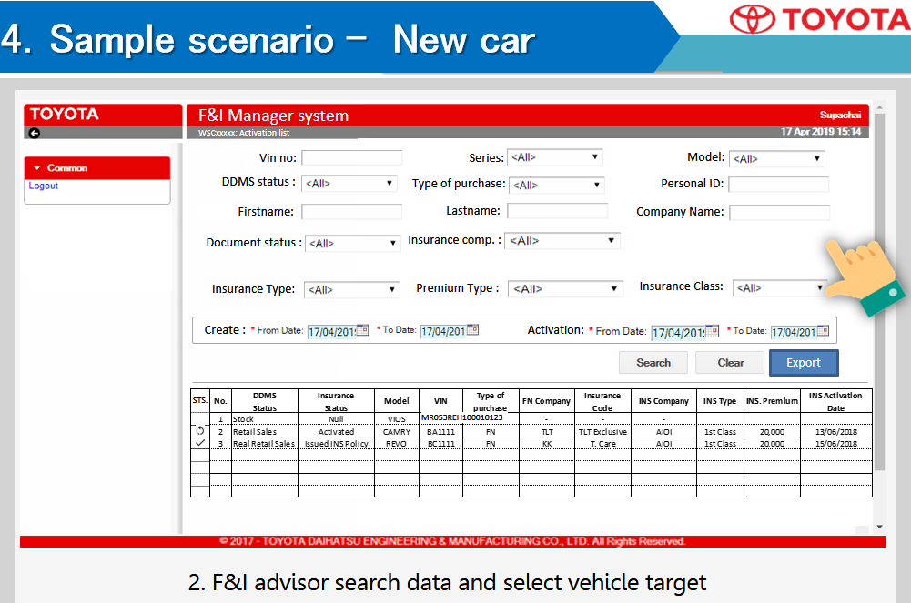

New Car
